Regulations, Notes
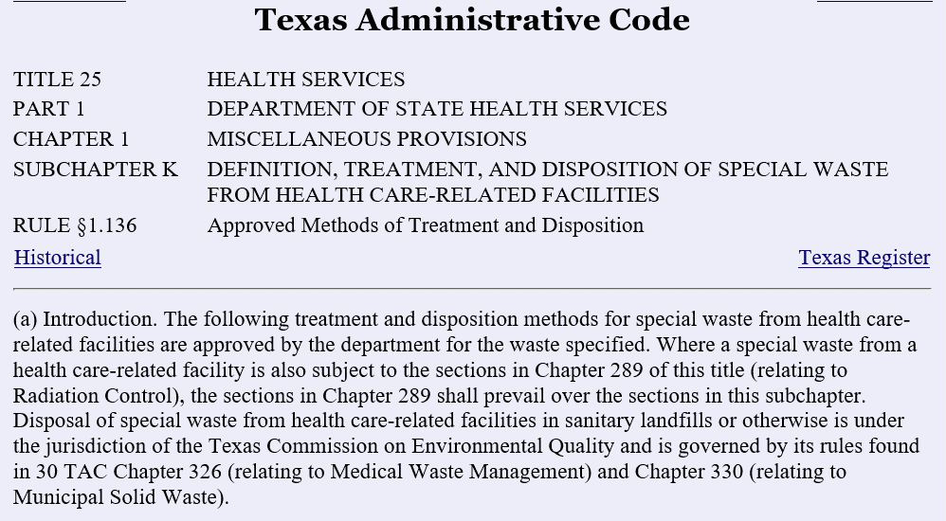
 |  | Efficacy Testing Schedule
 |  | Monthly | Testing
 |  | Generation | Schedule
 |  | (Pounds) | at least
 |  | < 50 | Every Semester?
 |  | 50 | monthly
 |  | 100 | 2 weeks
 |  | 200 | weekly
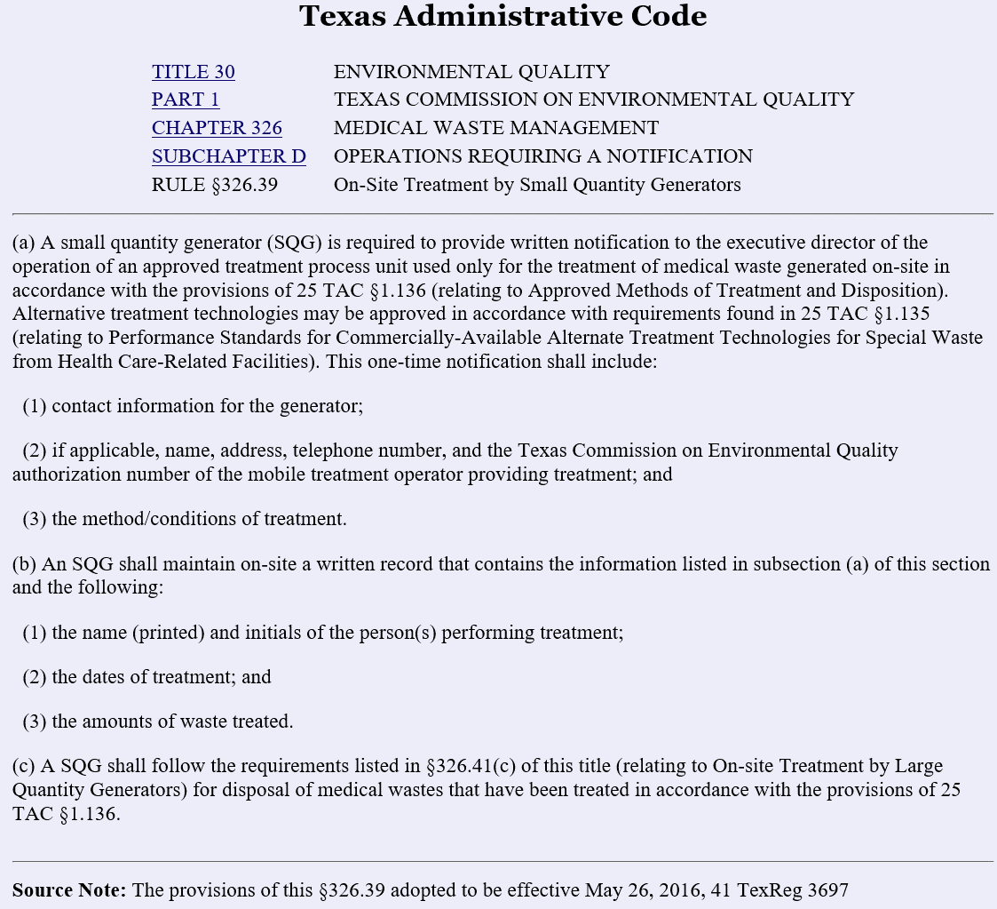

 |  | 3 | autoclaves
 |  | 3-4 | loads per autoclave per week seen in logs for about 1 year
 |  | 2.4 | average lbs per load
 |  | 21.6 | weekly treatment of 3 autoclaves at 3 loads x 2.4 lbs
 |  | 28.8 | weekly treatment of 3 autoclaves at 4 loads/week x 2.4 lbs

 |  | 86.4 | monthly treatment of 3 autoclaves at 3 loads x 2.4 lbs
 |  | 115.2 | monthly treatment of 3 autoclaves at 4 loads x 2.4 lbs

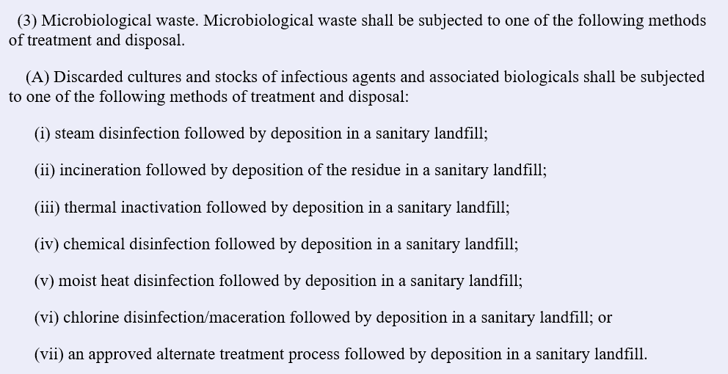
 |  |  | lbs
 |  | weight 1 | 2.55
 |  | weight 2 | 2.22
 |  | weight3 | 2.65
 |  | weight 4 | 1.95
 |  | weight 5 | 1.6
 |  | weight 6 | 3.5
 |  | Average | 2.4116666667

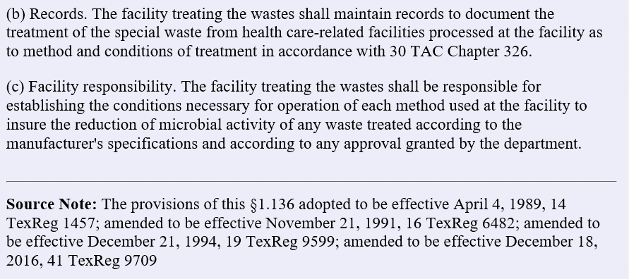

 |  |  |  | Parameter monitoring can be substituted for biological monitoring if the tape is cut and attached to the log book. Primus has this capability, but want consistent procedures for each autoclave
 |  |  |  |  | https://www.tceq.texas.gov/permitting/waste_permits/msw_permits/mw_disposal.html/#treat

 |  |  |  |  | Treating Medical Waste
 |  |  |  |  | Medical waste may be treated on-site by the generator of the waste or by a person who operates a mobile, on-site treatment unit, or may be transported off-site and treated at a registered treatment facility.

 |  |  |  |  | Medical waste that has been treated according to the requirements of 30 TAC 326.75(r)[121]
 |  |  |  |  | [122] may be managed and disposed of as routine municipal solid waste and disposed of in a municipal solid waste Type I or Type IAE landfill (described in 30 TAC §330.5(a)(1)[123]
 |  |  |  |  | [124]) according to the provisions and exceptions specified in §§326.39(c)[125], and 326.41(c)[126]
 |  |  |  |  | [127], provided labeling and other requirements of §326.75(r)(1)-(5)[128]
 |  |  |  |  | [129], and 25 TAC §1.136[130]
0 | TEXAS COMMISSION ON ENVIRONMENTAL QUALITY |  |  |  | [131] are met.
CHAPTER 326 | MEDICAL WASTE MANAGEMENT
SUBCHAPTER F | OPERATIONS REQUIRING A REGISTRATION |  |  |  | Treated medical waste shipments including sharps or residuals of sharps originating from health care-related facilities must be accompanied by a written statement to the solid waste landfill that the shipment has been treated by an approved method in accordance with 25 TAC §1.136 (§326.23(e)[132]
RULE §326.75 | Site Operating Plan |  |  |  | [133]).

 |  |  |  |  | Texas Administrative Code
(1) The design capacity of the facility shall not be exceeded during operation. The facility shall not accumulate solid waste in quantities that cannot be processed within such time as will preclude the creation of odors, insect breeding, or harborage of other vectors. If such accumulations occur, additional solid waste shall not be received until the adverse conditions are abated. |  |  |  |  | TITLE 30 | ENVIRONMENTAL QUALITY
 |  |  |  |  | PART 1 | TEXAS COMMISSION ON ENVIRONMENTAL QUALITY
(2) If a significant work stoppage should occur at a solid waste processing facility due to a mechanical breakdown or other causes, the facility shall accordingly restrict the receiving of solid waste. Under such circumstances, incoming solid waste shall be diverted to an approved backup processing or disposal facility. If the work stoppage is anticipated to last long enough to create objectionable odors, insect breeding, or harborage of vectors, steps shall be taken to remove the accumulated solid waste from the facility to an approved backup processing or disposal facility. |  |  |  |  | CHAPTER 326 | MEDICAL WASTE MANAGEMENT
 |  |  |  |  | SUBCHAPTER F | OPERATIONS REQUIRING A REGISTRATION
(3) The owner or operator shall have alternative processing or disposal procedures for the solid waste in the event that the facility becomes inoperable for periods longer than 24 hours. |  |  |  |  | RULE §326.75 | Site Operating Plan
 |  |  |  |  | Treatment On-Site by the Generator
(o) Sanitation. |  |  |  |  | For information about on-site treatment by the generator, refer to the Treating Medical Waste On-Site section under Information for Generators of Medical Waste[134].

(1) The owner or operator shall provide potable water and sanitary facilities for all employees and visitors.
 |  |  |  |  | (c) Facility-generated waste.
(2) At processing facilities, all working surfaces that come in contact with wastes shall be washed down on a weekly basis at the completion of processing. Processing facilities that operate on a continuous basis shall be swept daily and washed down at least twice per week.
 |  |  |  |  | (1) All liquids resulting from the facility operations shall be disposed of in a manner that will not cause surface water or groundwater pollution. The owner or operator may send wastewater off-site to an authorized facility or shall provide for the treatment of wastewaters resulting from managing the waste or from cleaning and washing. Except as provided in subsection (b) of this section, the owner or operator shall provide a connection into a public sewer system, a septic system, or a small wastewater treatment plant. On-site wastewater treatment systems shall comply with Chapter 285 of this title (relating to On-site Sewage Facilities). The owner or operator shall obtain any permit or other approval required by state or local code for the system installed.
(3) Wash waters shall not be accumulated on site without proper treatment to prevent the creation of odors or an attraction to vectors.
 |  |  |  |  | (2) Contaminated water shall be collected and contained until properly managed.
(4) All wash waters shall be collected and disposed of in an authorized manner.
 |  |  |  |  | (3) Wastes generated by a facility must be processed or disposed at an authorized solid waste management facility.
(p) Ventilation and air pollution control. All facilities and air pollution abatement devices must obtain authorization, under Texas Health and Safety Code (THSC), Chapter 382 (Texas Clean Air Act) and Chapter 106 or 116 of this title (relating to Permits by Rule; and Control of Air Pollution by Permits for New Construction or Modification), from the Air Permits Division prior to the commencement of construction, except as authorized in THSC, §382.004. Additionally, all facilities and air pollution abatement devices must operate in compliance with all applicable air related rules including Chapter 101 of this title (relating to General Air Quality Rules) related to prevention of nuisance odors, minimizing maintenance, startup and shutdown emissions, and emission event reporting and recordkeeping.
 |  |  |  |  | (4) Off-site discharge of contaminated waters shall be made only after approval under the Texas Pollutant Discharge Elimination System authority.
(q) Health and safety. Facility personnel shall be trained in the appropriate sections of the facility's health and safety plan.
 |  |  |  |  | (5) The owner or operator shall provide a copy of the authorization to discharge wastewater to a treatment facility permitted under Texas Water Code, Chapter 26.
(r) Disposal of treated medical waste. Medical wastes that have been treated in accordance with the provisions of 25 TAC §1.136 may be managed as routine municipal solid waste unless otherwise specified in paragraphs (1) - (5) of this subsection.
 |  |  |  |  | (d) Storage requirements.
(1) Incinerator ash shall be disposed of in a permitted landfill in accordance with Chapter 330 of this title (relating to Municipal Solid Waste).
 |  |  |  |  | (1) All solid waste shall be stored in such a manner that it does not create a nuisance.
(2) Treated microbiological waste, blood, blood products, body fluids, laboratory specimens of blood and tissue, and animal bedding may be disposed of in a permitted landfill. Any markings that identify the waste as a medical waste shall be covered with a label that identifies the waste as treated medical waste. The identification of the waste as treated may be accomplished by the use of color-coded, disposable containers for the treated waste or by a label that states that the contents of the disposable container have been treated in accordance with the provisions of 25 TAC §1.136.
 |  |  |  |  | (2) Storage area(s) for source-separated or recyclable materials from medical waste facilities must be provided that are separate from solid waste processing areas. Control of odors, vectors, and windblown waste from the storage area shall be maintained.
(3) Treated carcasses and body parts of animals designated as a medical waste may, after treatment, be disposed of in a permitted landfill in accordance with Chapter 330 of this title. The collection and transportation of these wastes shall conform to the applicable local ordinance or rule, if such ordinance or rule is more stringent than this subsection.
 |  |  |  |  | (3) Containers must be maintained in a clean condition so that they do not constitute a nuisance. Containers to be mechanically handled must be designed to prevent spillage or leakage during storage, handling, or transport.
(4) Treated recognizable human body parts, tissues, fetuses, organs, and the products of human abortions, spontaneous or induced, shall not be disposed of in a municipal solid waste landfill. These items shall be disposed of in accordance with the provisions of 25 TAC §1.136(a)(4).
...

QC Monitoring Log
Testing Schedule
lbs/mo Frequency
< 50 Semester 50-99 monthly
100 2 weeks
200 weekly
and after repairs
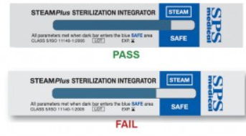
 |  |  |  |  | AUTOCLAVE TESTING LOG
 |  |  |  |  | SteamPlus Sterilization Integrator Strips

 |  |  |  |  |  |  |  |  | QC Monitoring Results
 |  |  |  | Minimum Values Required for Effective Treatment
Autoclave | Treatment | Name | Initials | Time | Temperature | Pressure | Month | Monthly Total | Place Strip in Bag with waste. Attach Indicator Strip in this column.
Number | Date | Print |  | (15-30 min) | (121°C/250°F) | (15psi) |  | Treated (lbs)
...

QC Monitoring Log4-Masood
Testing Schedule
lbs/mo Frequency
< 50 Semester 50-99 monthly
100 2 weeks
200 weekly
and after repairs
 |  | AUTOCLAVE TESTING LOG
 |  | SteamPlus Sterilization Integrator Strips

 |  |  |  |  |  | QC Monitoring Results
 | Minimum Values Required for Effective Treatment
Initials | Time | Temperature | Pressure | Month | Monthly Total | Place Strip in Bag with waste. Attach Indicator Strip here below.
 | (15-30 min) | (121°C/250°F) | (15psi) |  | Treated (lbs)
...

