Off-Campus
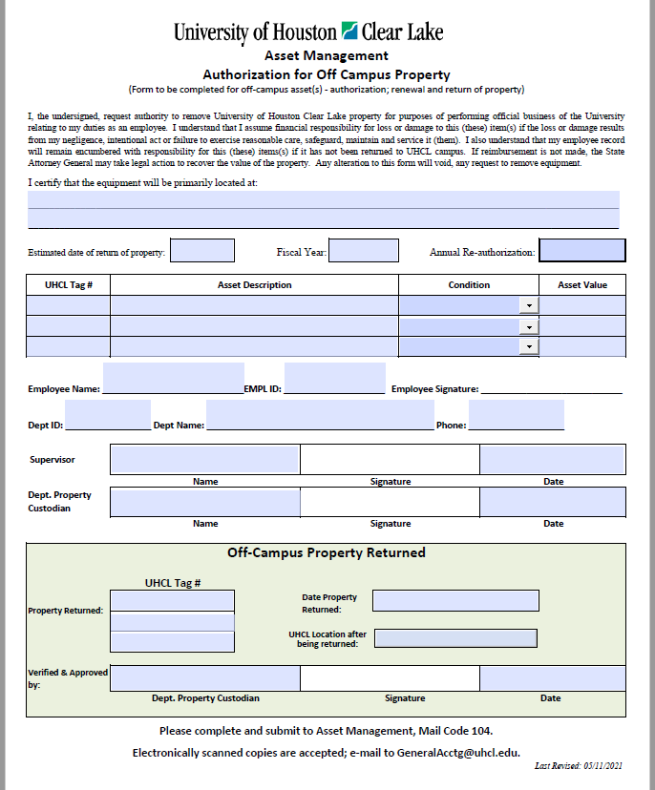

Off-Campus Authorization Form is valid until the end of the current fiscal year, but can be renewed at fiscal year end.
Renewals for FY2022 must be submitted by August 31st, 2021.

Any tagged property which is off-campus without a completed form is in violation of Asset Management and State compliance policies.

Pay particular attention to iPads, tablets, laptops, cameras.

No Off-Campus Authorization Form is needed for Passenger Vehicles, Boats, Fire Arms, if the Custodian Department maintains a log of the property movement.
Departments may be asked to show logs to Auditors/Asset Management.

Returned property must be checked-in through Dept. Property Custodian, verified, then completed the form and sent to Asset Management.

Aquisition Methods
